Hoja 1
Memoria Total Nintendo Switch | 32GB
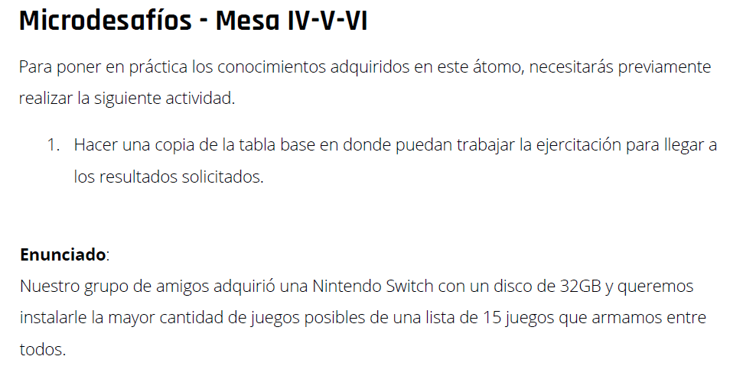

Juego | Peso | Convertido a GB | Nintendo Switch
Dragon Quest Heroes I·II | 0,0000305176 PB | 30.5176
The Legend of Zelda: Breath of the Wild | 13,4 GB | 13.4
Mario Kart 8 Deluxe | 7168 MB | 7.168 | 7.168
Disgaea 5 | 5,92 GB | 5.92 | 5.92
Nobunaga’s Ambition | 5 GB | 5 | 5
Cuphead | 3,3 GB | 3.3 | 3.3
Inferno Climber: Reborn | 1,7 GB | 1.7 | 1.7
Snipperclips: Cut it Out, Together | 1,60 GB | 1.6 | 1.6
Air Conflicts: Secret Wars | 1572864 KB | 1.572864 | 1.572864
I Am Setsuna | 1,40 GB | 1.4 | 1.4
Air Conflicts: Pacific Carriers | 1,4 GB | 1.4 | 1.4
Puyo Puyo Tetris | 1,09 GB | 1.09 | 1.09 | Los juegos a instalar en el Nintendo Switch con disco de 32 GB son:
Gems of War | 458 MB | 0.458 | 0.458 | Mario Kart 8 Deluxe
Istanbul: Digital Edition | 330 MB | 0.33 | 0.33 | Disgaea 5
Block-a-Pix Deluxe | 84,0 MB | 0.084 | 0.084 | Nobunaga’s Ambition
 |  | Total | 31.022864 | Cuphead
 |  |  |  | Inferno Climber: Reborn
 |  |  |  | Snipperclips: Cut it Out, Together
 |  |  |  | Air Conflicts: Secret Wars
 |  |  |  | I Am Setsuna
 |  |  |  | Air Conflicts: Pacific Carriers
 |  |  |  | Puyo Puyo Tetris
 |  |  |  | Gems of War
 |  |  |  | Istanbul: Digital Edition
 |  |  |  | Block-a-Pix Deluxe
 |  |  |  |  | Todos los juegos dan un total de 31.022864 GB.

